Raspberry-Pi Pinout
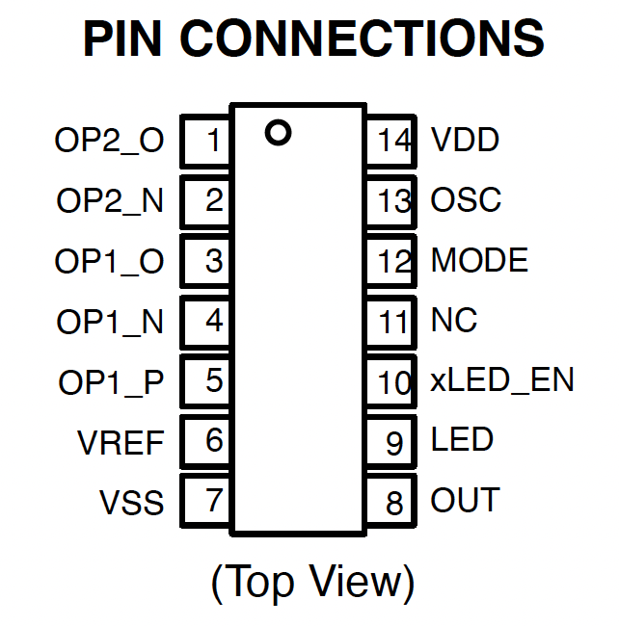
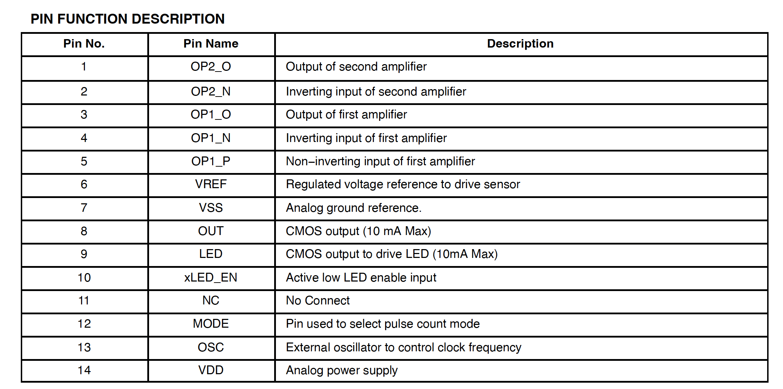
Raspbarry Pi
 | Raspberry Pi Documentation - Raspberry Pi hardware

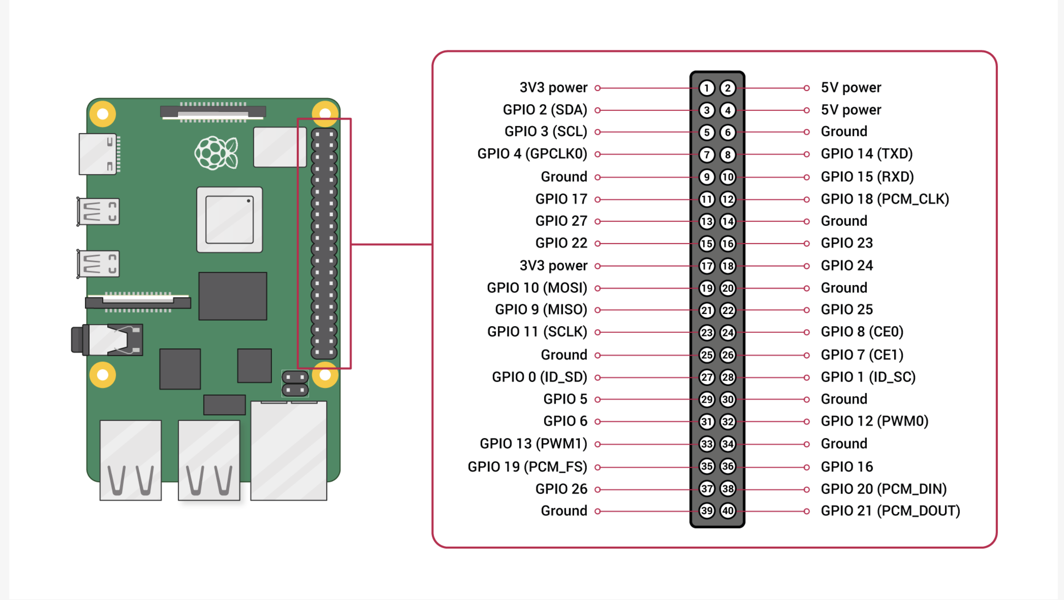
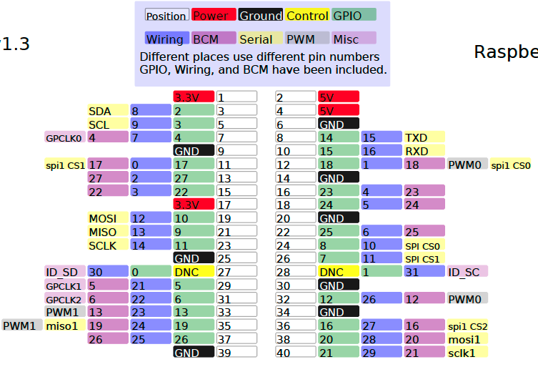

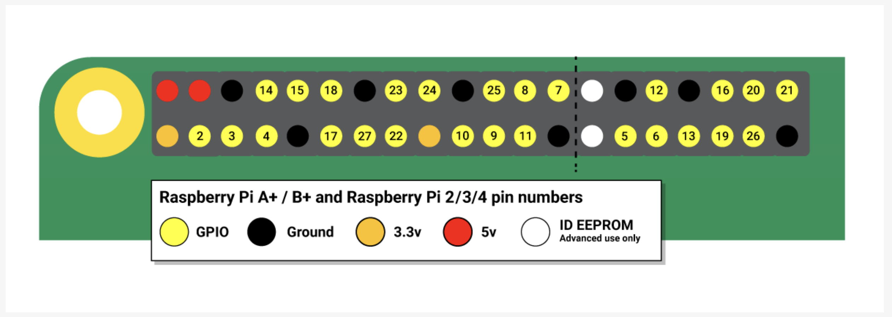

 | PN532 - NFC RFID Module
https://microcontrollerslab.com/pn532-nfc-rfid-module-pinout-arduino-interfacing-applications/

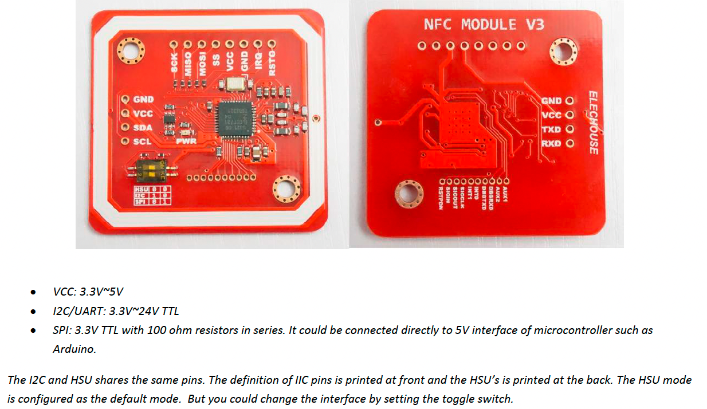
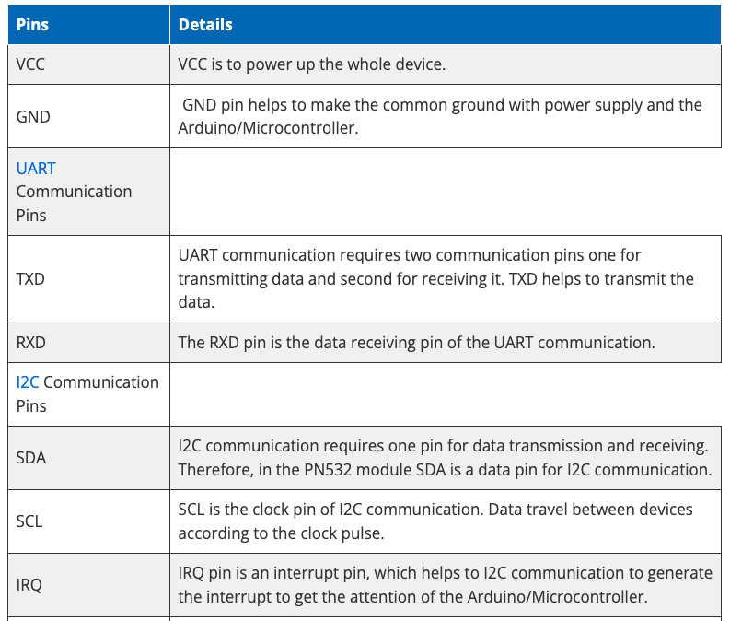

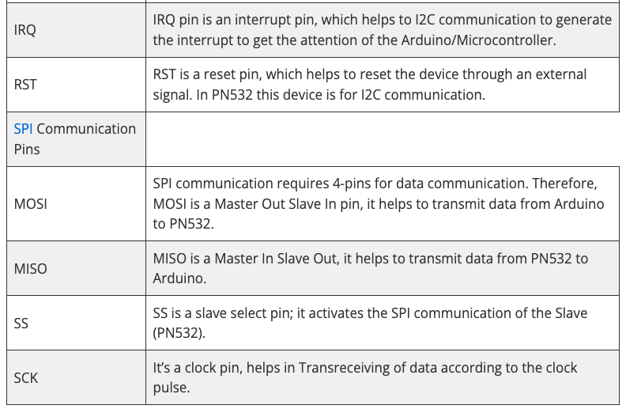

 | GP2Y0E03 - IR Range Sensor (Sharp) - 4cm to 50cm
 | GP2Y0E03 Sharp Microelectronics | Mouser Canada

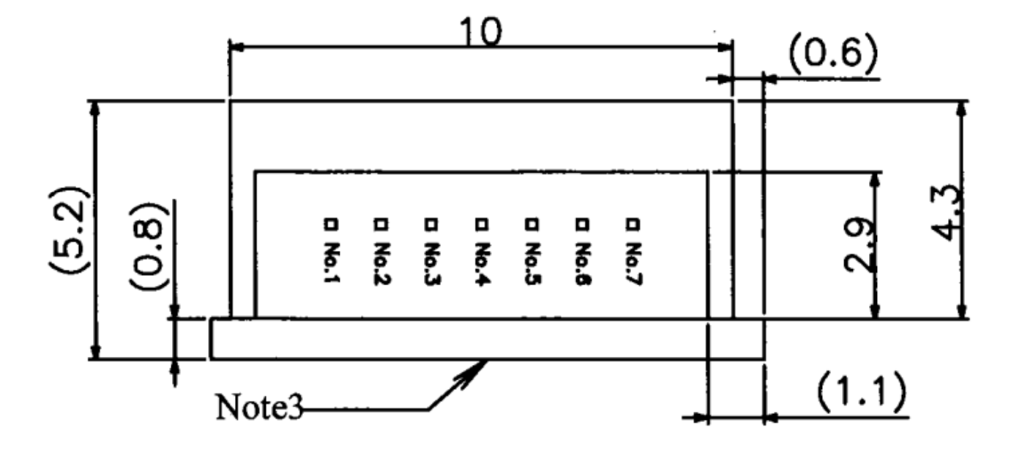

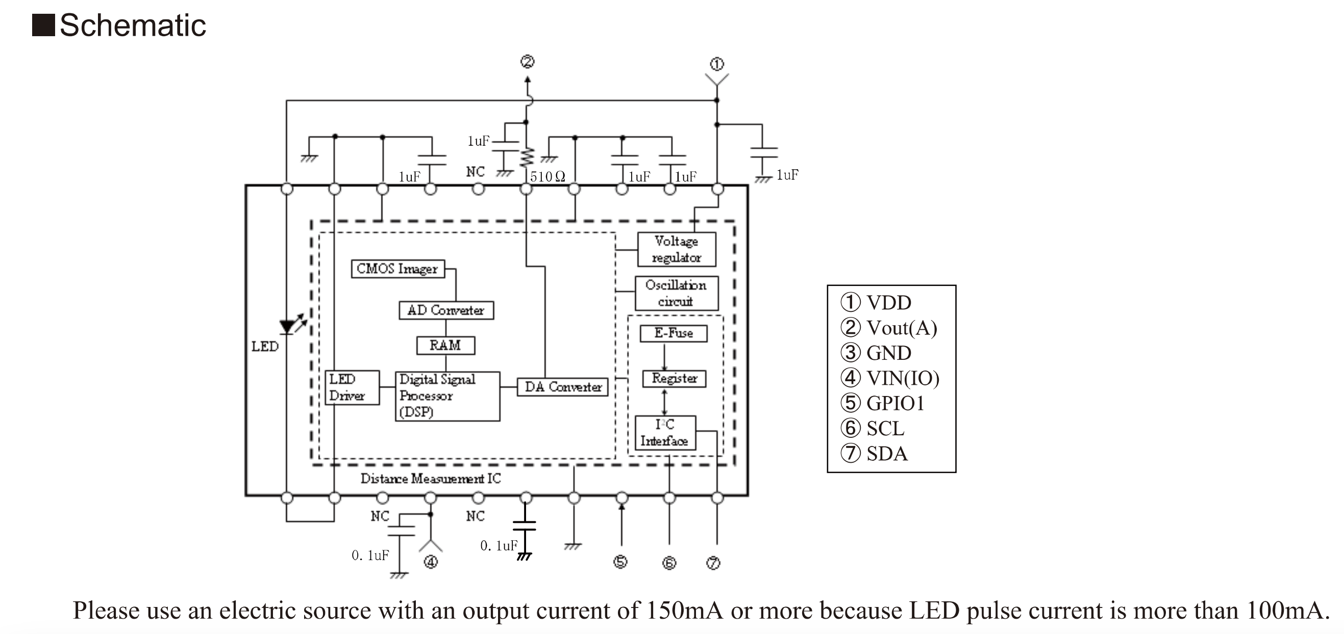

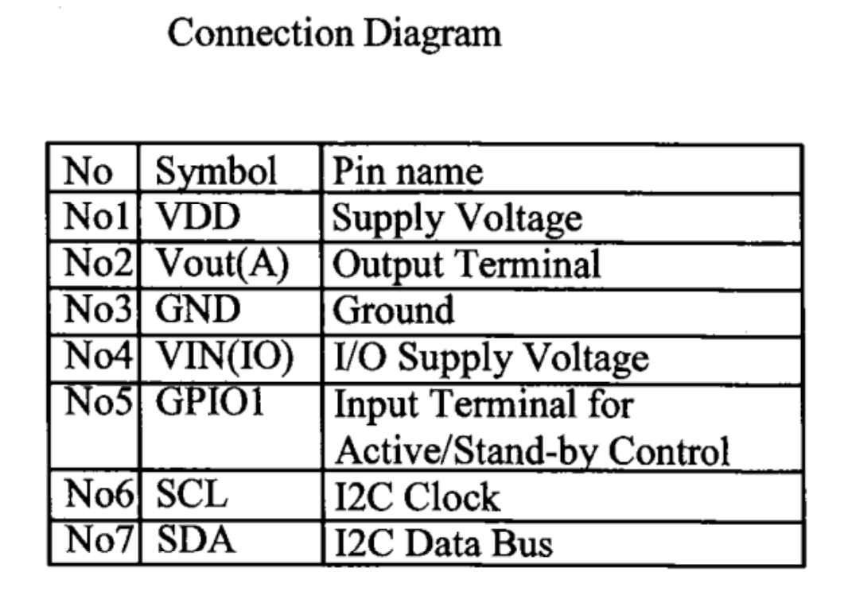

 | NCS36000 - Passive Infrared (PIR) Detector Controller

